Sheet1
Subject: |  |  | Patamon |  |  |  |  |  |  | Date: |  |  |  | 2021.06.19
 |  | L |  |  |  |  |  |  |  |  |  | M
 |  |  |  |  |  |  |  |  |  |  |  |  |  |  | a
 |  | 1 | 2 | 3 | 4 | 5 | 6 | 7 | 8 | 9 | 10 | 11 | 12 |  |  | BlackRock | 1 | 2 | 3 | 4 | 5 | 6 | 7 | 8 | 9 | 10 | 11 | 12
A | 1 |  |  |  |  | 37 | 23 | 60 | 45.25 | 61 | 64.75 | 60.75 |  | 1 |  | 1 |  |  |  |  | 7 | 6 | 5 | 4 | 3 | 2 | 1 |  | 1
 | 2 |  |  |  | 20 | 52 | 78 | 72 | 55 | 52 | 80.25 | 64 | 55 | 2 |  | 2 |  |  |  | 16 | 15 | 14 | 13 | 12 | 11 | 10 | 9 | 8 | 2
 | 3 |  |  | 14 | 48 | 64 | 69 | 53 | 55.25 | 63 | 67 | 104 | 114 | 3 |  | 3 |  |  | 26 | 25 | 24 | 23 | 22 | 21 | 20 | 19 | 18 | 17 | 3
 | 4 |  |  | 44 | 64.5 | 65 | 51 | 85 | 63 | 77 | 75 | 89.75 | 77 | 4 |  | 4 |  |  | 36 | 35 | 34 | 33 | 32 | 31 | 30 | 29 | 28 | 27 | 4
 | 5 |  | 51 | 47 | 72.5 | 89 | 52 | 50 | 50 | 62 | 73 | 63 | 49 | 5 |  | 5 |  | 47 | 46 | 45 | 44 | 43 | 42 | 41 | 40 | 39 | 38 | 37 | 5 |  | recently lose signal
 | 6 |  | 46 | 60.5 | 65.25 | 62 | 52 | 97 | 46.75 | 53 | 47 | 63 | 54 | 6 |  | 6 |  | 58 | 57 | 56 | 55 | 54 | 53 | 52 | 51 | 50 | 49 | 48 | 6 |  | never shown signal or no signal for two weeks channel
 | 7 | 48.75 | 56.75 | 56 | 77 | 55 | 74 | 61 | 66 | 57.5 | 55 | 56 | 54 | 7 |  | 7 | 70 | 69 | 68 | 67 | 66 | 65 | 64 | 63 | 62 | 61 | 60 | 59 | 7 |  | moved in a week
 | 8 | 48 | 53.75 | 69 | 59.5 | 59 | 69 | 73 | 66 | 65 | 61 | 64 | 54 | 8 |  | 8 | 82 | 81 | 80 | 79 | 78 | 77 | 76 | 75 | 74 | 73 | 72 | 71 | 8 |  | broken channels
 | 9 | 37 | 40 | 45 | 49 | 52 | 63 | 63.5 | 66 | 53 | 54 | 59.5 | 57 | 9 |  | 9 | 94 | 93 | 92 | 91 | 90 | 89 | 88 | 87 | 86 | 85 | 84 | 83 | 9 |  | large noise channels
 | 10 | 86 | 47 | 47 | 51 | 58 | 70 | 60 | 51 | 56 | 60.5 | 57 | 60 | 10 | ` | 10 | 106 | 105 | 104 | 103 | 102 | 101 | 100 | 99 | 98 | 97 | 96 | 95 | 10 |  | mid-frequency noise
P | 11 | 57 | 100 | 55 | 58 | 61 | 68 | 55 | 56 | 50 | 52 | 56 | 50.5 | 11 |  | 11 | 118 | 117 | 116 | 115 | 114 | 113 | 112 | 111 | 110 | 109 | 108 | 107 | 11 |  | recently moved
 | 12 |  | 69 | 64.5 | 65 | 89 | 58.5 | 54.5 | 44 | 44 | 53 | 51 |  | 12 |  | 12 |  | 128 | 127 | 126 | 125 | 124 | 123 | 122 | 121 | 120 | 119 |  | 12 | 35 | mid-frequency noise
 |  | A | B | C | D | E | F | G | H | I | J | K | L |  |  |  | A | B | C | D | E | F | G | H | I | J | K | L
unit: turns |  |  | (125μm/turn) |  |  |  |  | recorder: |  | Jianshu Li
recording system: |  |  |  |  |  |  |  | SU chs: |  |  | 1,2,4,15,18,24,25,35,36,45,70
 |  |  |  |  |  |  |  | MU chs: |  |  | 81,82,105,126,127
 |  |  |  |  |  |  |  | weak MU chs:
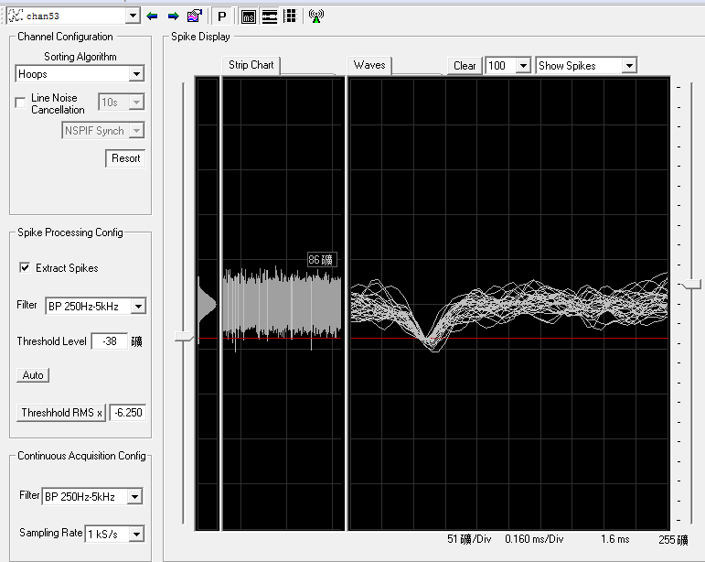
 |  |  |  |  |  |  |  | s: small
G6 50.5or51.5 + 42=92.5or93.5turns, amp larger. 92.5+1.5=94turns,suspect signal in bg. (see right hand)

G6 94+2.5=96.5turns, wf seems like spikes but sound like mid-frequency noise. 96.5+0.5=97turns, amp larger (see figure down)
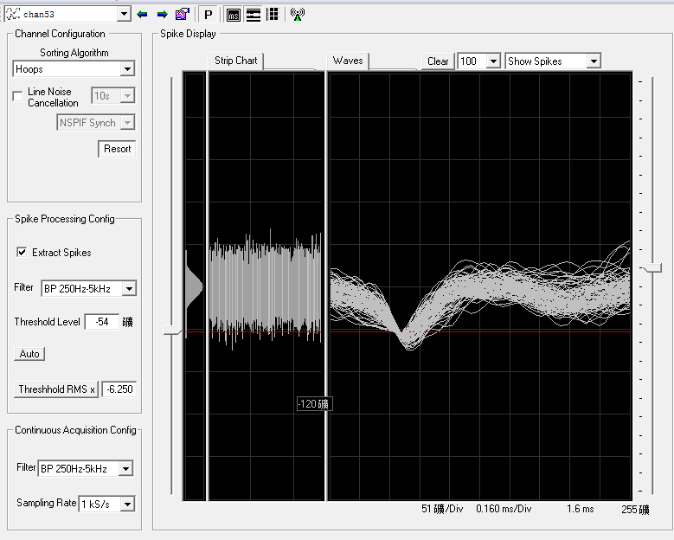

have mechanical noise

D4 59or60 + 5.5=64.5or65.5turns, dying cell and then SU(amp 80)
C4 small SU mingled with noise. 43.5or44.5+0.5=44or45turns, SU

have large construction noise upstair
have mechanical noise

